%Impact due to Price Change
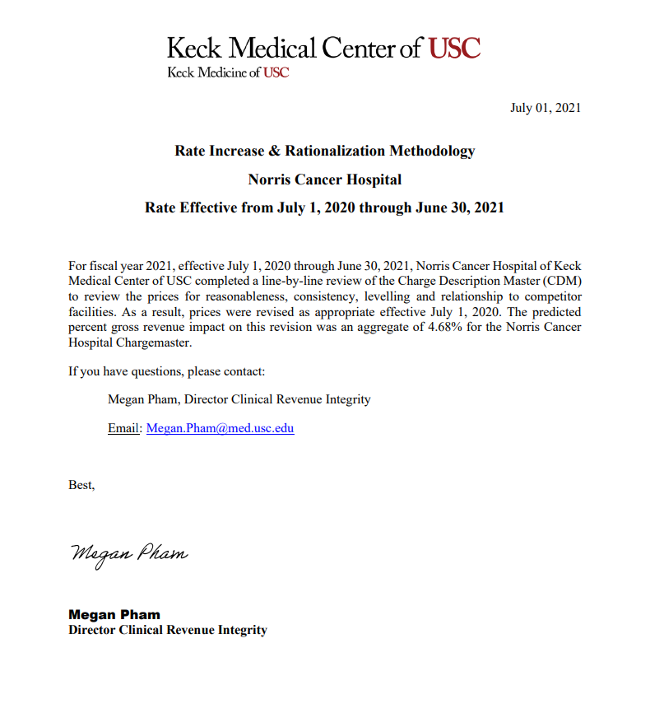
Hospital Name: Norris Cancer Hospital of of USC | Total Gross Revenue (Old Price) | Total Gross Revenue (New Price) | New Gross Revenue Based on Annual Price Increase
Estimated Percentage Change in Gross revenue Due to Price Changes
Based on Price Adjustment on CDMs Effective on 07/01/2020
 | $711,967,599 | $745,262,238 | $33,294,639
 | % Change Estimate in Gross Revenue based on Price Adjs. |  | 4.68%

